Sheet1
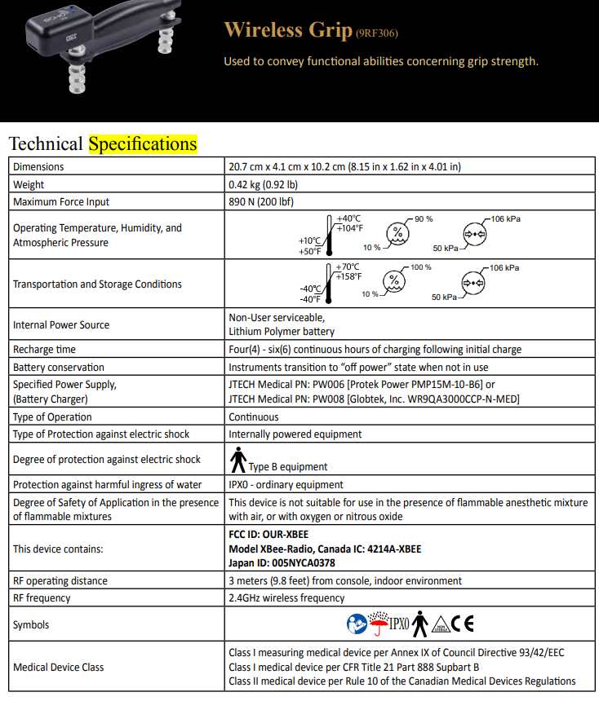
Product Type | Company | Product Name | Product Price | Measurement Range | Output Type | Associated Software | Accuracy | Repeatability | Calibration
Grip Dynamometer | J Tech | Commander Echo | $1,315.50 | 200 | wireless signal onto console display | Wireless with small digital display box | N/a | N/a | Can be calibrated easily using the commander echo console
Grip Dynamometer | Biometrics | E Link Hand Grip Dynamometer | $4,322.00 | Rated Load: 200lbs | wireless signal with console interface | Pioneer wireless interface system, managemnet software, handgrip dynomometer with charging lead packaging | ± 1.0% Rated Load | ± .10% Rated Load | Compression
 | Biometrics | Just the Handgrip dynamometer | $1,450.00 |  |  | This would use the same system and connections we currently have with the pinchmeter using the motion lab goniometer box | ± 1.0% Rated Load | ± .10% Rated Load | Compression
Before installing the Biometrics’ versions 10 or 11 software, confirm
your computer meets all the minimum requirements.
• OPERATING SYSTEM: Microsoft Windows 10 Home or Professional.
• SOFTWARE: Installation via a USB Flash Drive memory card.
• CPU: 32bit Processor (x86), running at 2GHz or Higher
• RAM: 2 GB or Higher
• GRAPHICS: Dedicated Video Adaptor with 2GB GDDR5 vRam.
• DISPLAY: SVGA Monitor / Screen (1024 x 768 Pixels)
• SOUND: Windows compatible sound card
• HARD DRIVE: 100Mb free disk space for installation. Save Files will require more space.
• INPUT: 100% Windows compatible mouse / pointing device and keyboard
• CONNECTIVITY (Biometrics Ltd Instrument specific):
▪ DataLITE:
▪ 1 free USB 2.0 or USB 3.0 Port for the Wireless Dongle
▪ DataLOG MWX8:
▪ 1 free USB 2.0 Port for the Microsoft Bluetooth Stack compatible Bluetooth Adapter
Class 1 V2+EDR
▪ DataLINK DLK900
▪ 1 free USB 2.0 Port for the communications from the DataLINK Base Unit
• MicroSD Card Reader – for DataLOG MWX8

